Activities
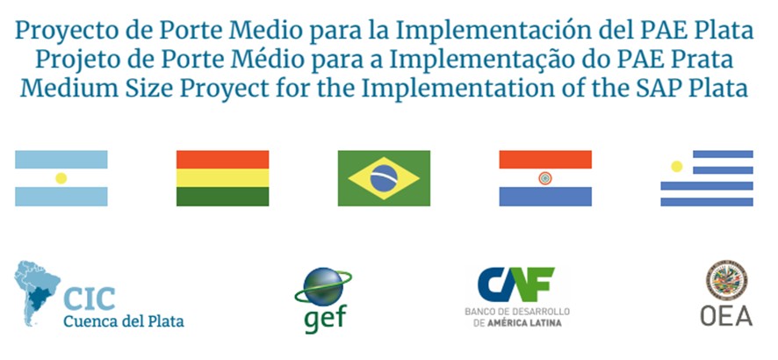

 | [COUNTRY] Total expected: US $540,000
 | Co-Finacing Matrix From OAS: GEF- CAF - OAS "Medium Size Project (MSP) “Preparing the Ground for the Implementation of La Plata Basin Strategic Action Program”
 | Activities | 2019 |  | 2020
 |  | Q3 | Q4 | Q1 | Q2 | Q3 | Q4
1 | Operating Expenses | Jul19-Sept19 | Oct19-Dec19 | Jan20-Mar20 | Abr20-Jun20 | Jul20-Sept20 | Oct20-Dec20
a | Equipment
b | Venues
c | Office Supplies and photocopying
d | Lan Internet
e | Rent of offices
f | Telephone Services
g | Couries
h | Meetings Services
i | Postage
 | Total Operating Expenses | $- | $- | $- | $- | $- | $-
2 | Cuenca del Plata National Coordinator (NC)
a | National Coordinator MSP
b | Technical Team to support meetings an other for the NC
c | Other NC: In case other NC were named for the MSP
 | Sub-Total | $- | $- | $- | $- | $- | $-
3 | Administrative, Communications and Legal Support
a | Administrative / Legal Support
b | Communications Support
 | Sub-Total | $- | $- | $- | $- | $- | $-
4 | Other Projects related to the MSP
a
b
c
 | Sub-Total | $- | $- | $- | $- | $- | $-
 | Total Personnel | $- | $- | $- | $- | $- | $-
 | Yearly Total | $- | $- | $- | $- | $- | $-
 | Grand Total | $-

 | *Please see next tap for description of activities

